User Guide
 |  | ALTLOAN BUSINESS BANK STATEMENT WORKSHEET USER GUIDE

User Input Fields |  |  | Results and Calculated Fields
The below fields are required inputs from the user: |  |  | Results from user inputs will be provided in the following cells:

Under Income Analysis Method: |  |  | Under Income Analysis:
 | Use the dropdown menu to select one of the following options: |  |  | Total Of Gross Deposits
 |  |  |  | Total Net Deposits
 | 24 Month P&L Statement |  |  | Total Expenses
 | CPA Prepared Business Expense Statement |  |  | Net Income
 | 24 Month Borrower Prepared P&L Statement |  |  | Total Net Expenses
 | 24 Month CPA Compiled P&L Statement |  |  | Monthly Expense Ratio Earnings
 |  |  |  | Months Reviewed
 | Each selection will display the required fields necessary for the calculations. |  |  | Monthly Net Income
 |  |  |  | Minimum Monthly Net Income
 |  |  |  | Net Deposits/Gross Receipts
Under Borrower Details:
 | Borrower: |  |  | Results for each field will vary. This is determined by the Income Analysis Method selected by the user.
 | Business/Entity Name:
 | Financial Institution: |  | Final Results will be provided here:
 | Account Number:
 | Broker/Company:
 | Loan Officer:
 | Underwriter (Internal Only):

Under Business Information: |  |  | If the user has selected: 24 Month Borrower Prepared P&L Statement:
 | Percentage of Ownership: |  |  | Please also describe the business and comment why the expense ratio is reasonable.
 | End of Most Recent Statement:
 | Does the business pay employees/contractors:
 | Does the business sell goods or offer services:
 | Does the business rent space:
 | Annual Sales:
 | Total Number of Employees:

Under Gross Deposits:
 | Any gross deposits applicable during each respective month/year.

Under Deposits to be Excluded:
 | Any deposits to be excluded during each respective month/year.

Setting the date for Gross Deposits
Select a year from the dropdown menu located in the upper-leftmost year.

Select a month from the dropdown menu located in the upper-leftmost month.
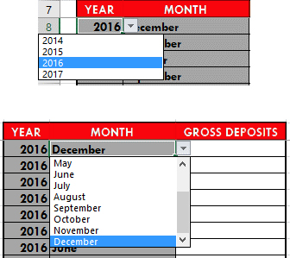

Dates for all other deposits will automatically be calculated.

