User Guide
 |  | ALTLOAN PERSONAL BANK STATEMENT WORKSHEET USER GUIDE

User Input Fields |  |  | Results and Calculated Fields
The below fields are required inputs from the user: |  |  | Results from user inputs will be provided in the following cells:

Under Borrower Details: |  |  | Under Income Analysis:
 | Borrower |  |  | Total Income over most recent 12 months:
 | Financial Institution |  |  | Total Income over last 24 months:
 | Account Number |  |  | Max Income allowed:
 | Broker/Company
 | Loan Officer |  | Final Results will be provided here:

Under the Monthly Gross Deposit Columns:
 | The gross deposits applicable during each respective month/year.

Under Deposits to be Excluded:
 | Any deposits to be excluded from each applicable period.

Setting the date for Gross Deposits (Loan Officer Tab) |  |  | Setting the Review Period (Loan Officer Tab)
Select a year from the dropdown menu located in the upper-leftmost year. |  |  | Select 12 Months or 24 Months from the dropdown menu in the upper left corner.
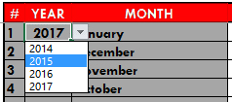

Select a month from the dropdown menu located in the upper-leftmost month.
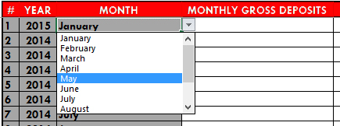

Dates for all other deposits will automatically be calculated.

